Sheet1

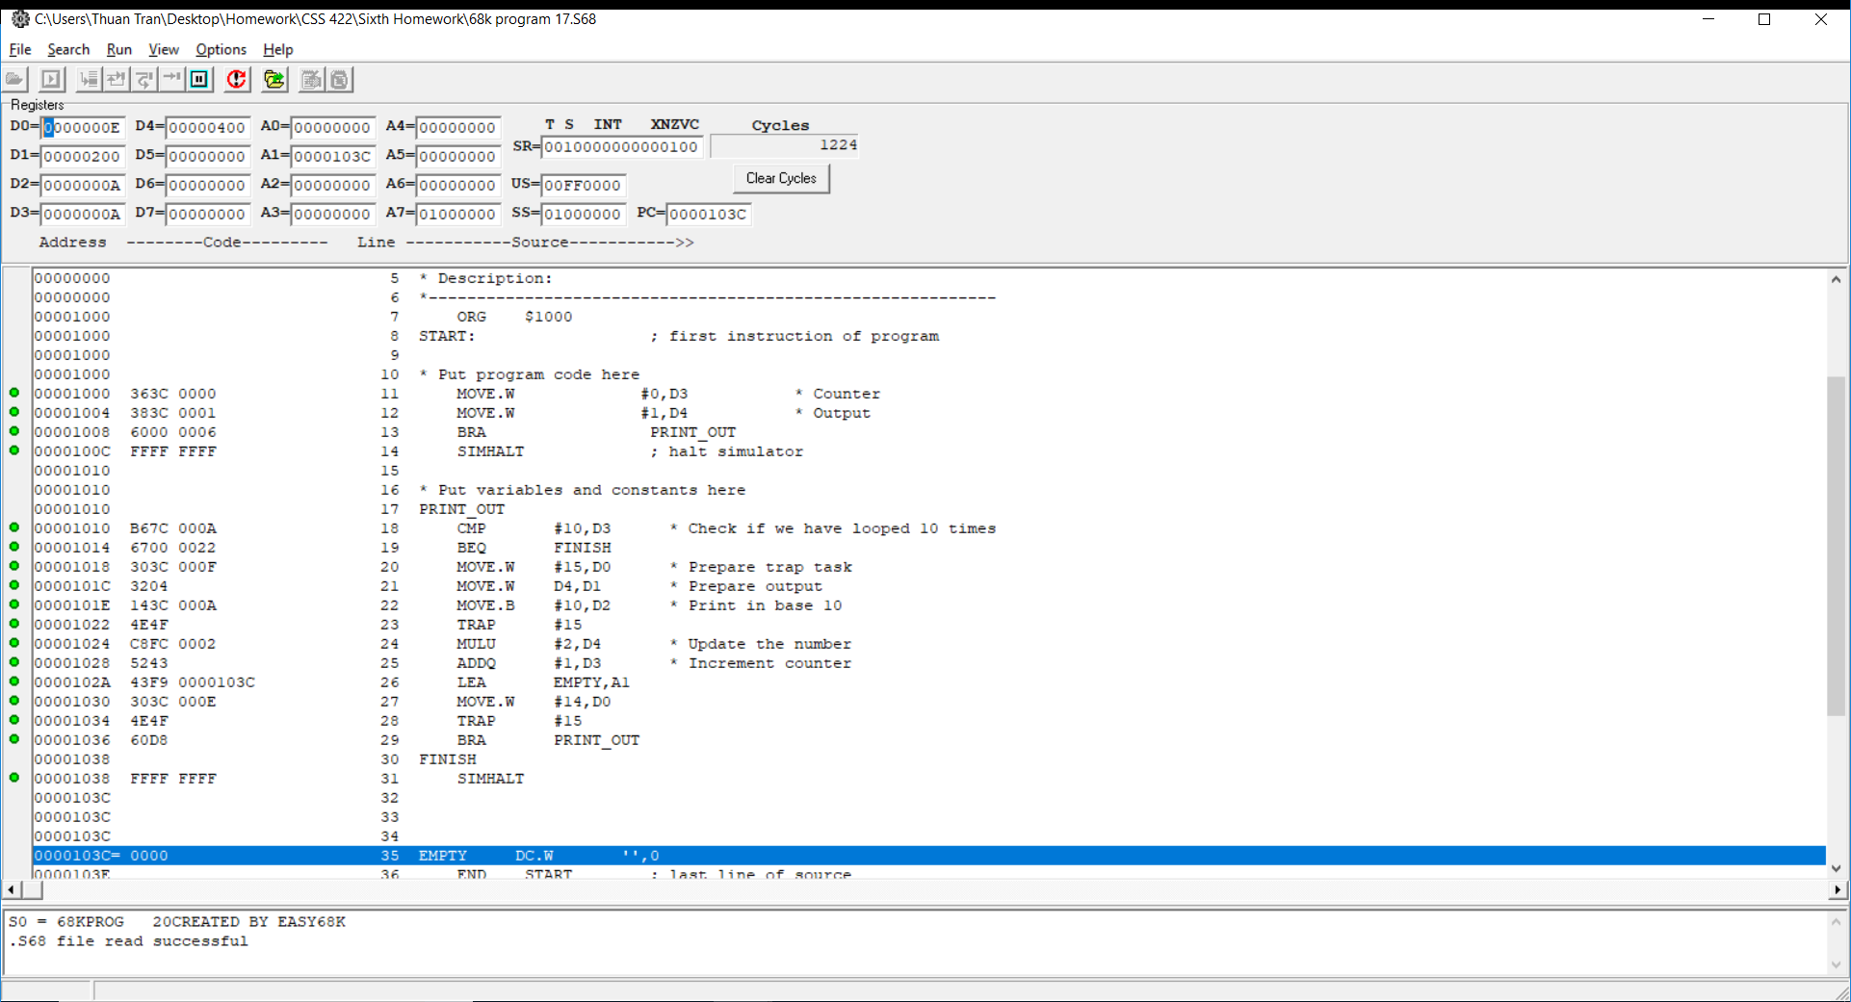
Questions | Answer Columns | Answer Columns | Answer Columns | Answer Columns | Answer Columns | Answer Columns
 | Tag | Block | Offset
1. (DM) Divide the bits into tag, block and offset bit | 10 | 6 | 5
 | Tag | Block | Offset
2. What is the tag, block and offset for the address $123A63, in hex? | 1001000111 (247) | 010011 (13) | 00011 (3)
 | Tag | Offset | Explanation
3. (FA) Divide the bits into tag and offset bits. Explain why there are no block or set bits. | 16 | 5 | For full associate, all blocks are put in a straight line. Aand they are all searched parallel
 | Tag | Offset
4. What is the tag and offset for the address $123A63, in hex? | 1001000111010011 (91D3) | 00011 (3)
 | Tag | Set | Offset
5. (4-way) Divide the bits into tag, set and offset bits. | 12 | 4 | 5
 | Tag | Set | Offset
6. What is the tag, set and offset for the address $123A63, in hex? | 100100011101 (91D) | 0011 (3) | 00011(3)

Caches

7. What is the hit ratio for the entire memory reference sequence provided? | 5/14 => 35.7%

8. What blocks will be in the cache after the last memory reference? Complete the table here. | Tag in Binary | Block # | Offset 0 | Offset 1 | Offset 2 | Offset 3
 | 0101 | 0 | 50 | 51 | 52 | 53
 | 1010 | 1 | A4 | A5 | A6 | A7
 | 1011 | 2 | B8 | B9 | BA | BB
 | 0100 | 3 | 4C | 4D | 4E | 4F
Virtual Memory
256KB = 18 bits, 128KB = 17, 32 KB = 15, 2K = 11, 256 bytes = 8 | 256KB = 18 bits
9. Split the bits for virtual addresses. | # of VA Page bits | # of Offset bits
 | 3 | 15
9a. Split the bits for physical addresses. | # of PA Frame bits | # of Offset bits
 | 2 | 15

10. Split the bits in memory based on the cache into tag, block (or set) and offset bits. | # of Tag bits | # of Block/Set bits | # of Offset bits
 | 6 | 3 | 8
 | Yes or No?
11. Suppose the processor has requested a memory access at 0x32764, which is a virtual address. Is this a page fault? | Yes
Justification
Justification | Translating the first 3 bit of the address, we get 110 (6). However for virtual page 6, there is no valid bit. So it is a page fault

 | TLB
 | Virtual Page # | Physical Frame #
12. Show the changes to the TLB. | 6 | 3
 | 0 | 2

 | TLB LRU Stack
12a. Show the changes to the TLB LRU Stack | 6 | newest
 | 0

12b. Show the changes to the Mem LRU Stack | Mem LRU Stack
 | 1 | 6 | newest
 |  | 0
 |  | 1
 |  | 4

 | Page Table
12c. Show the changes to the Page Table | Virtual Page # | Physical Frame # | Valid Bit
 | 0 | 2 | 1
 | 1 | 1 | 1
 | 2 |  | 0
 | 3 |  | 0
 | 4 | 0 | 1
 | 5 |  | 0
 | 6 | 3 | 1
 | 7 |  | 0

 | Cache
13. Show the changes in the Cache after the accesses. | Block or Refill Line # | Tag | Block Contents
 | 0 | 10 | (assume data block here of size 256B)
 | 1 | 0A | (assume data block here of size 256B)
 | 2 | 3C | (assume data block here of size 256B)
 | 3 | 14 | (assume data block here of size 256B)
 | 4 | 28 | (assume data block here of size 256B)
 | 5 | 04 | (assume data block here of size 256B)
 | 6 | 37 | (assume data block here of size 256B)
 | 7 | 34 (Updated) | (assume data block here of size 256B)

14. Show Screenshots of Execution for the c if statement program output | Attach Screenshot Here
 | Below
15. Show Screenshot of Execution for the 68K program output | Attach Screenshot Here
 | Below
16. Show Screenshots of Execution for the c if_Else statement program output | Attach Screenshot Here
 | Below
17. Show Screenshot of Execution for the 68K program output | Attach Screenshot Here
 | Below
18. Show Screenshots of Execution for the c looping program output | Attach Screenshot Here
 | Below
19. Show Screenshot of Execution for the 68K program output | Attach Screenshot Here
 | Below

 | Reflection & Analysis
20. What type of software did you dream up here? | This sounds like a C to 68k compiler
21. What additional details might you need to manage or derive from the c code? | How to manage things that was built into C into native assembly. How the code get invoked. How to call the system
22. What if you ran out of registers in the 68K? | Maybe use a stack to manage the data. Or use empty space in memory to hold the data

14
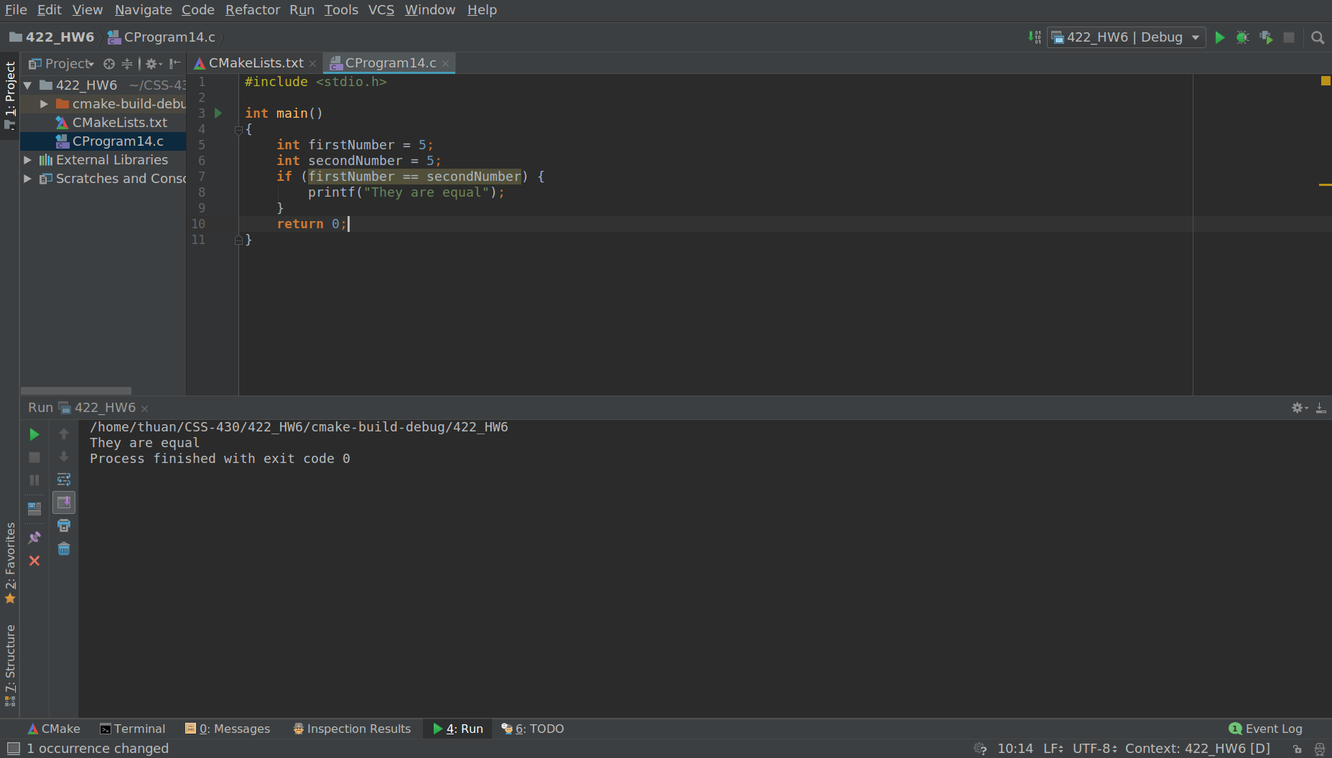

15

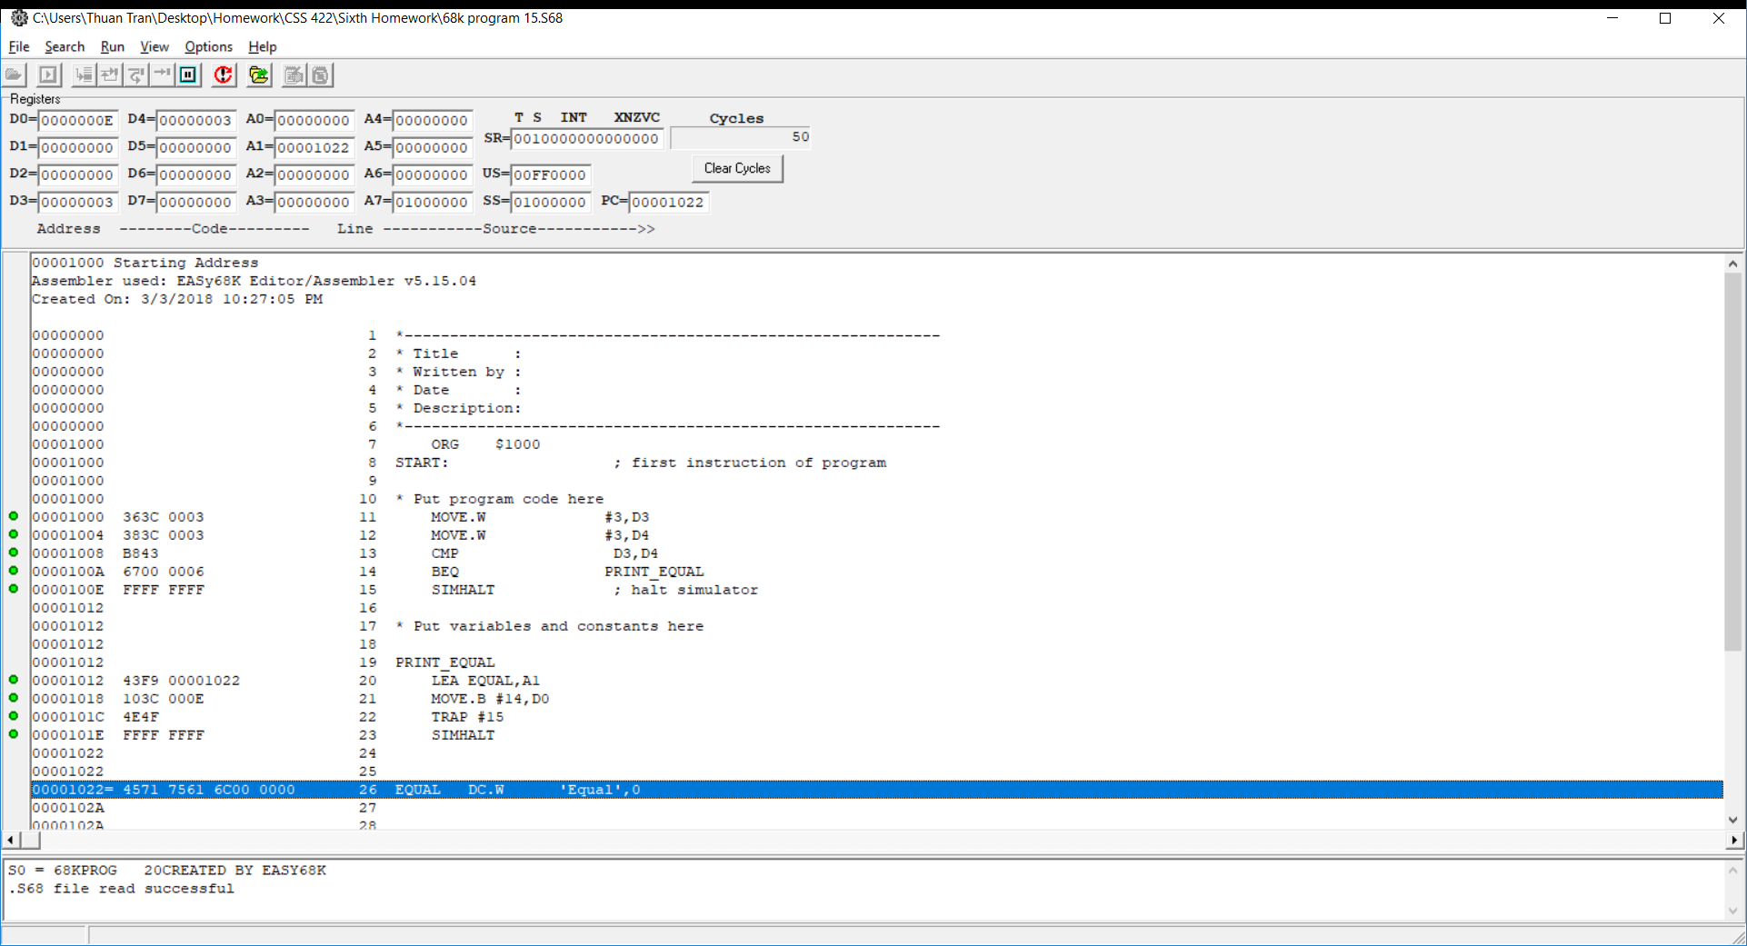

16
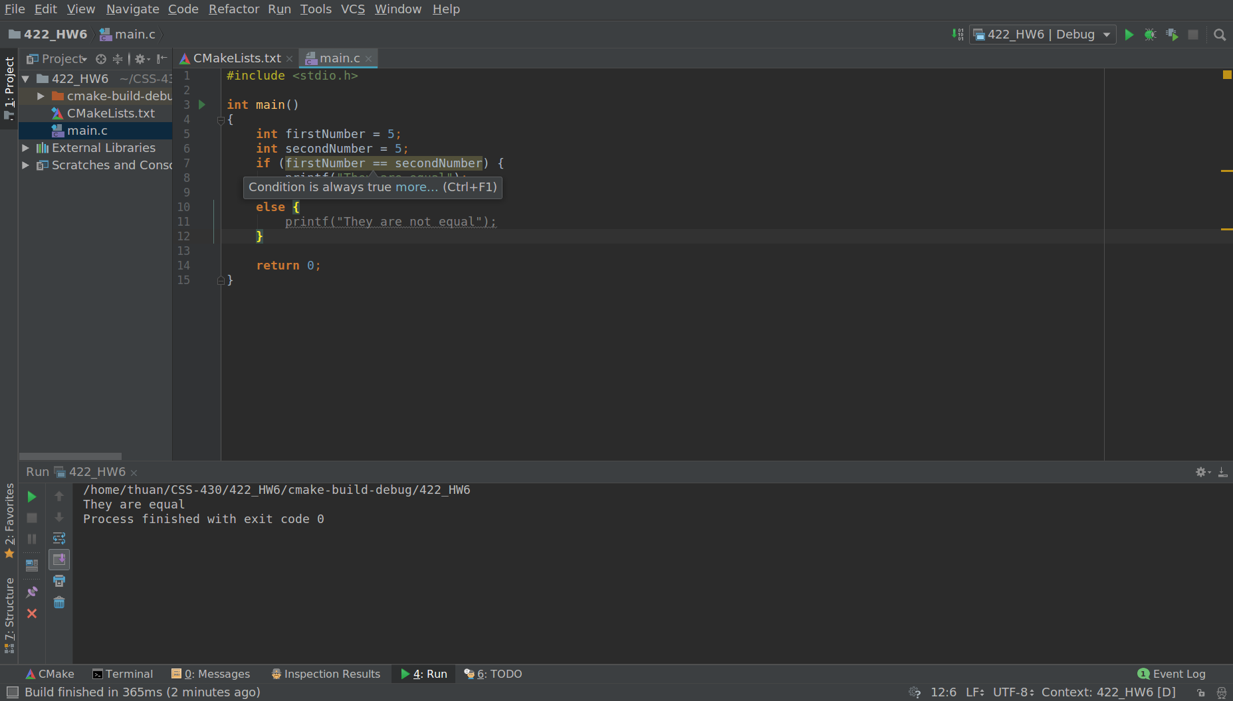

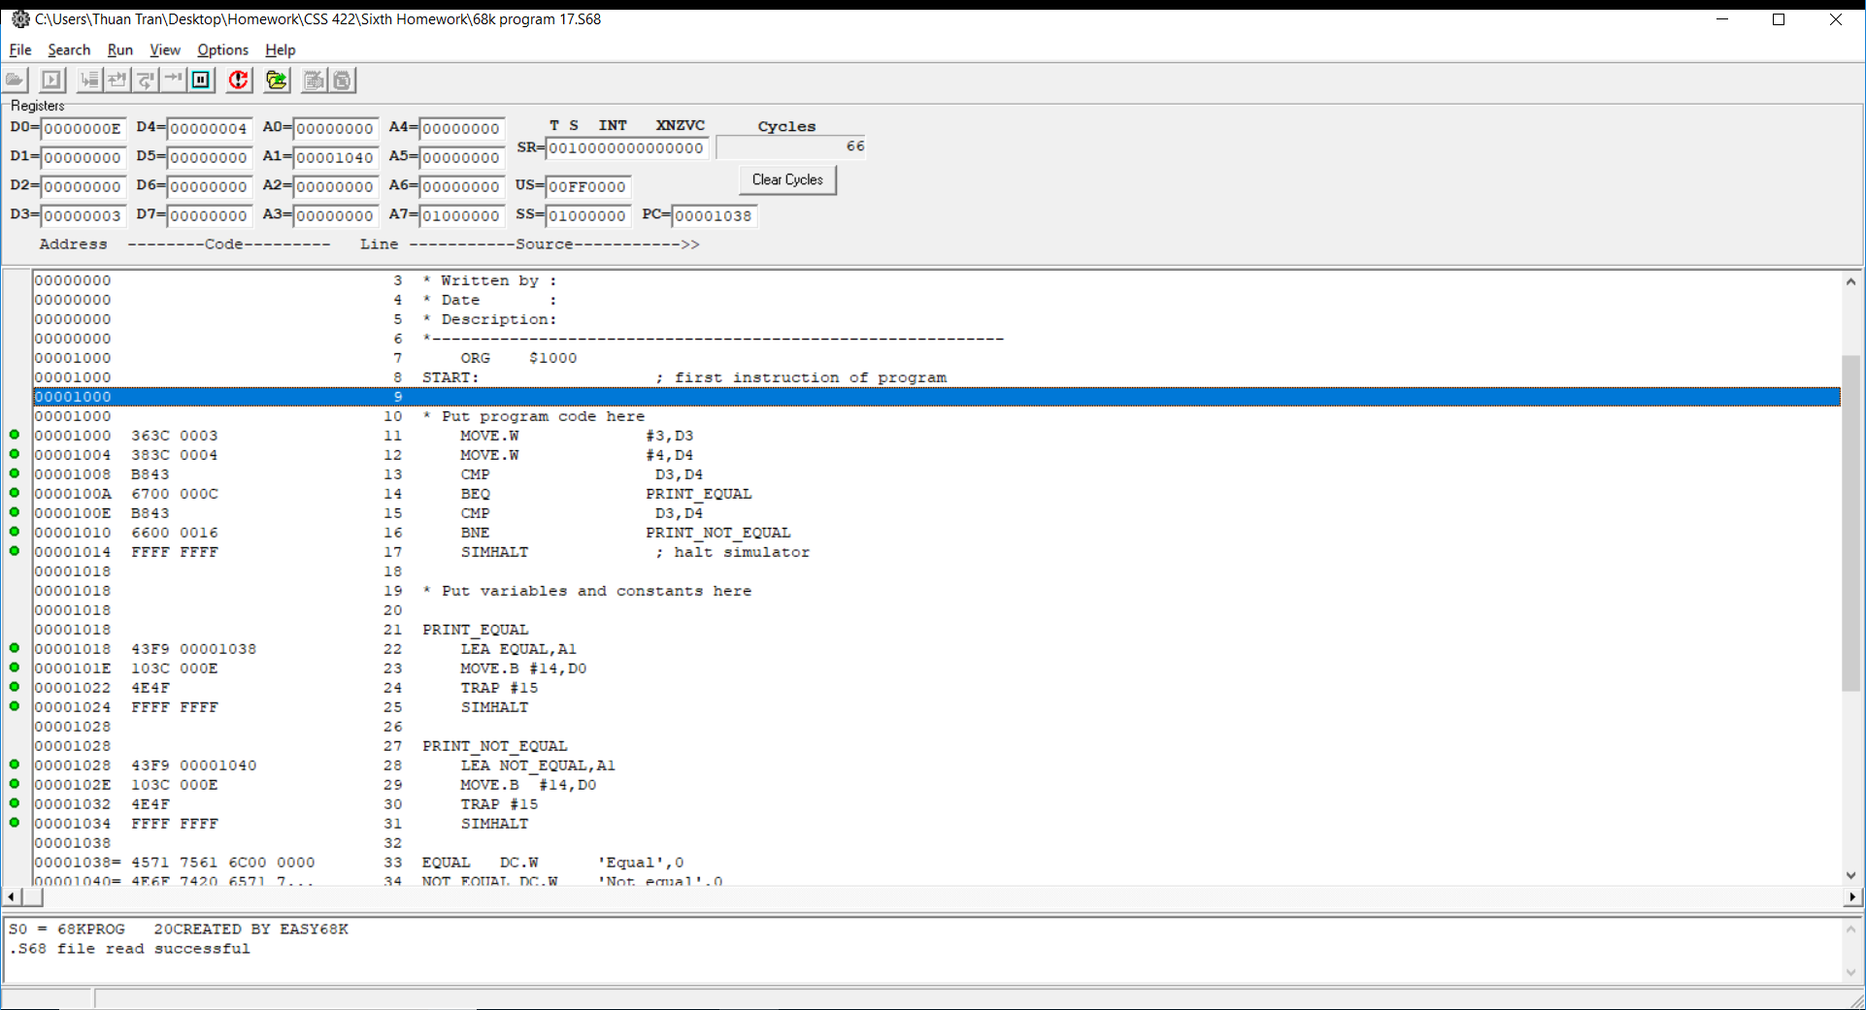
17


18
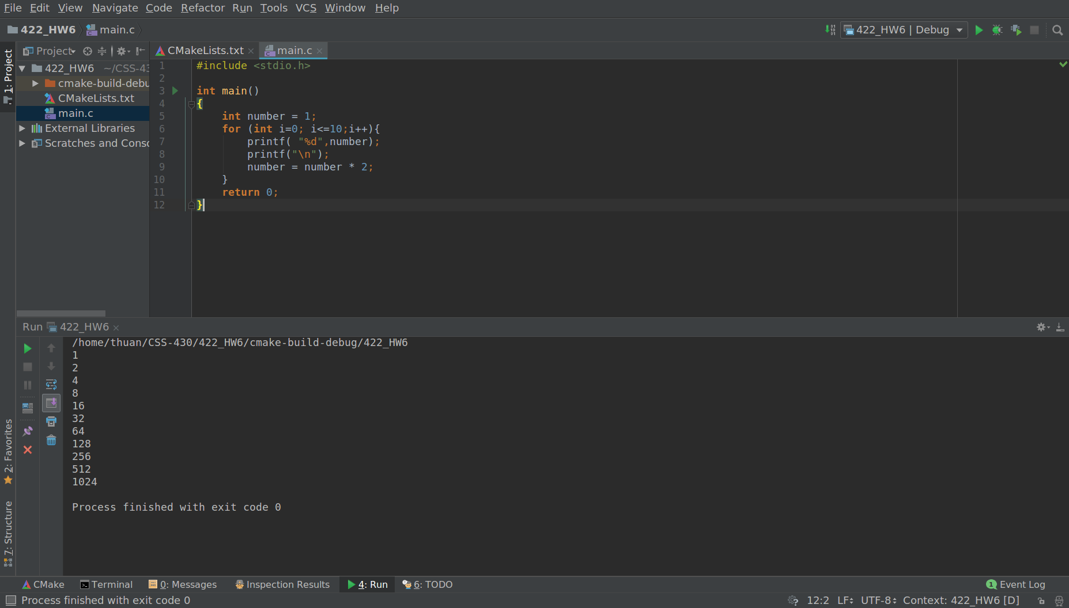

19

